DASHBOARD
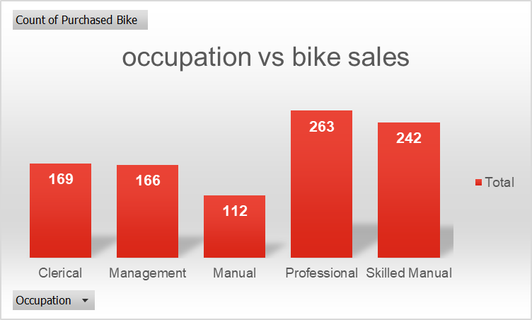
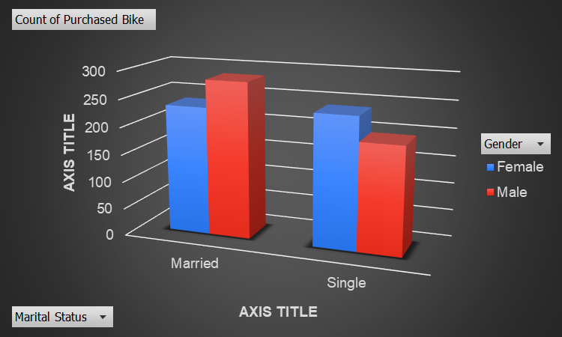
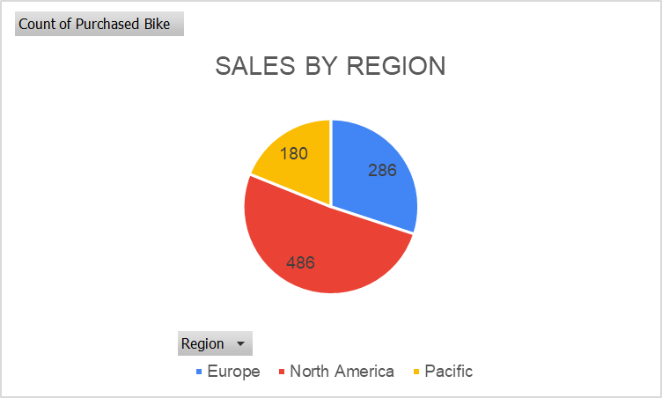
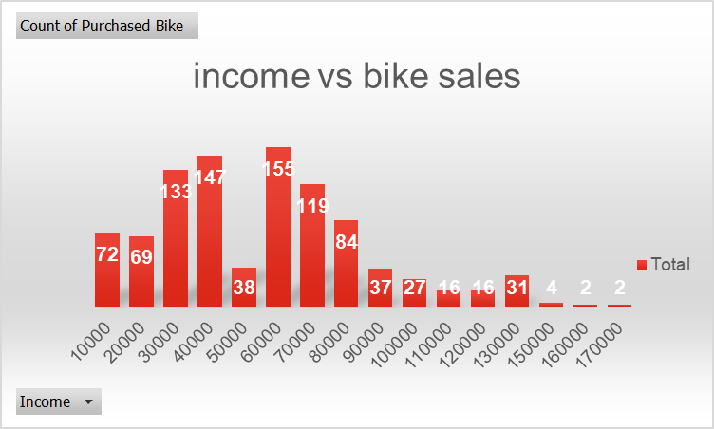
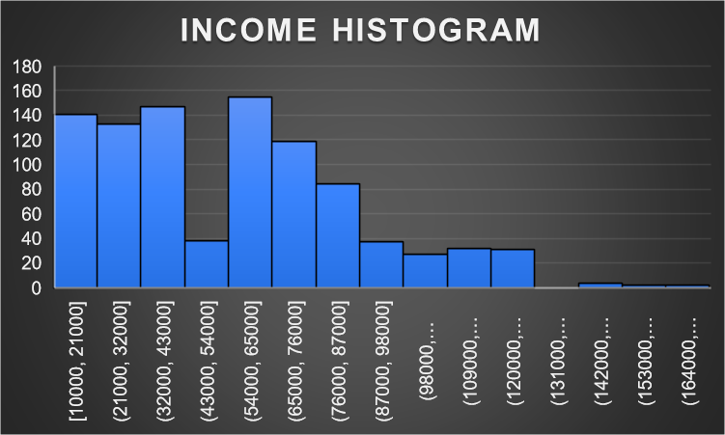
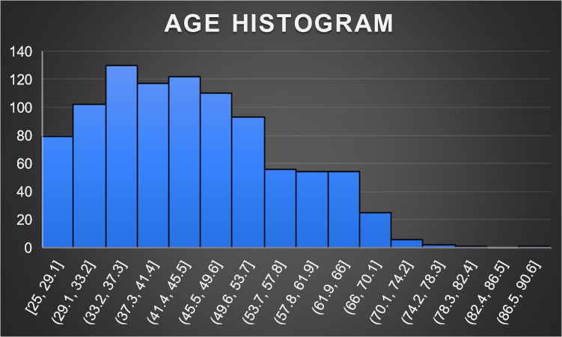
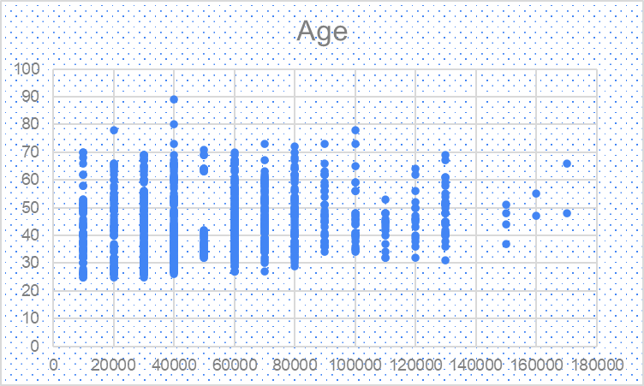
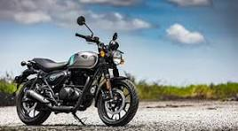
BIKE SALES | BIKE SALES

Sheet1
age vs bike sales
Row Labels | Count of Purchased Bike
25 | 4
26 | 16
27 | 23
28 | 21
29 | 15
30 | 26
31 | 24
32 | 33
33 | 19
34 | 30
35 | 34
36 | 35
37 | 31
38 | 34
39 | 20
40 | 37
41 | 26
42 | 33
43 | 34
44 | 26
45 | 29
46 | 25
47 | 36
48 | 27
49 | 22
50 | 23
51 | 22
52 | 24
53 | 24
54 | 16
55 | 16
56 | 16
57 | 8
58 | 11
59 | 20
60 | 14
61 | 9
62 | 13
63 | 9
64 | 10
65 | 9
66 | 13
67 | 10
68 | 3
69 | 8
70 | 4
71 | 1
72 | 1
73 | 4
78 | 2
80 | 1
89 | 1
Grand Total | 952

Sheet2
income vs bike sales
Row Labels | Count of Purchased Bike
10000 | 72
20000 | 69
30000 | 133
40000 | 147
50000 | 38
60000 | 155
70000 | 119
80000 | 84
90000 | 37
100000 | 27
110000 | 16
120000 | 16
130000 | 31
150000 | 4
160000 | 2
170000 | 2
Grand Total | 952

Sheet3
occupation vs bike sales
Row Labels | Count of Purchased Bike
Clerical | 169
Management | 166
Manual | 112
Professional | 263
Skilled Manual | 242
Grand Total | 952

Sheet5
Row Labels | Count of Purchased Bike
0-1 Miles | 339
Clerical | 103
Management | 39
Manual | 65
Professional | 56
miles vs occupation vs bike sales
Skilled Manual | 76
10+ Miles | 108
Management | 41
Professional | 57
Skilled Manual | 10
1-2 Miles | 164
Clerical | 29
Management | 30
Manual | 26
Professional | 26
Skilled Manual | 53
2-5 Miles | 159
Clerical | 15
Management | 23
Manual | 19
Professional | 71
Skilled Manual | 31
5-10 Miles | 182
Clerical | 22
Management | 33
Manual | 2
Professional | 53
Skilled Manual | 72
Grand Total | 952

Sheet6
Row Labels | Count of Purchased Bike
Bachelors | 292
Graduate Degree | 163
High School | 173
education vs bike sales
Partial College | 252
Partial High School | 72
Grand Total | 952

Sheet8
Count of Purchased Bike | Column Labels
Row Labels | Female | Male | Grand Total
Married | 234 | 284 | 518
Single | 239 | 195 | 434
Grand Total | 473 | 479 | 952

Sheet9
SALES BY REGION
Row Labels | Count of Purchased Bike
Europe | 286
North America | 486
Pacific | 180
Grand Total | 952

